Aug 2026 Terms
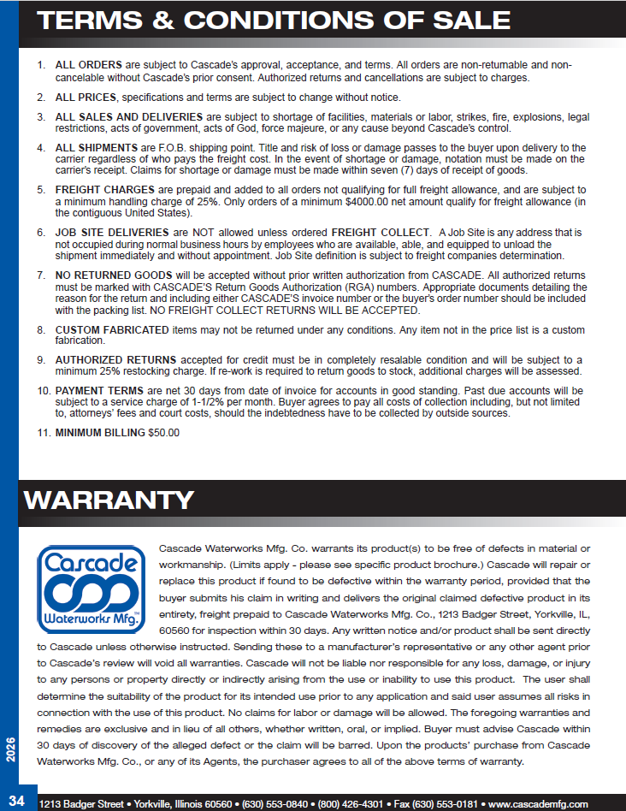
Excel Import Price Book Terms & Conditions
This file is in an unrestricted format an is thus not considered to be secure. This price list is provided solely as a customer reference and is intended to facilitate product selection and order preparation. Although every reasonable effort has been made to ensure the accuracy of the information contained herein, inadvertent typographical, clerical, pricing, product description, specification, or data-entry errors may occur. Buyer is responsible for verifying the products suitability for its intended use.
The seller reserves the right, without prior notice, to correct any errors or omissions and to revise prices, specifications, product availability, freight charges, or other information at any time.
All prices contained in this price list are subject to verification at the time an order is entered. A customer's purchase order shall constitute an offer to purchase only and shall not create a binding contract. No order shall be deemed accepted until confirmed in writing by the seller through an Order Acknowledgment or fulfilled by shipment.
If an error results in an incorrect price, product description, or other material information, the seller reserves the right to reject, cancel, or modify the order prior to acceptance, regardless of whether the customer has received a price list, quotation, order confirmation generated in error, or other preliminary documentation.
Except as otherwise expressly agreed in writing, this price list supersedes all previous versions and may be revised or withdrawn at any time without notice. Customers are responsible for ensuring they are using the most current published version.
Use of this price list constitutes acknowledgment and acceptance of these terms.

